Report
Net Carbon Removal Benefit Calculation
This report was created using the free, open calculation tool by Climate Cleanup Foundation. The calculation tool was developed as a part of the Construction Stored Carbon intervention.
No rights may be derived from this report.
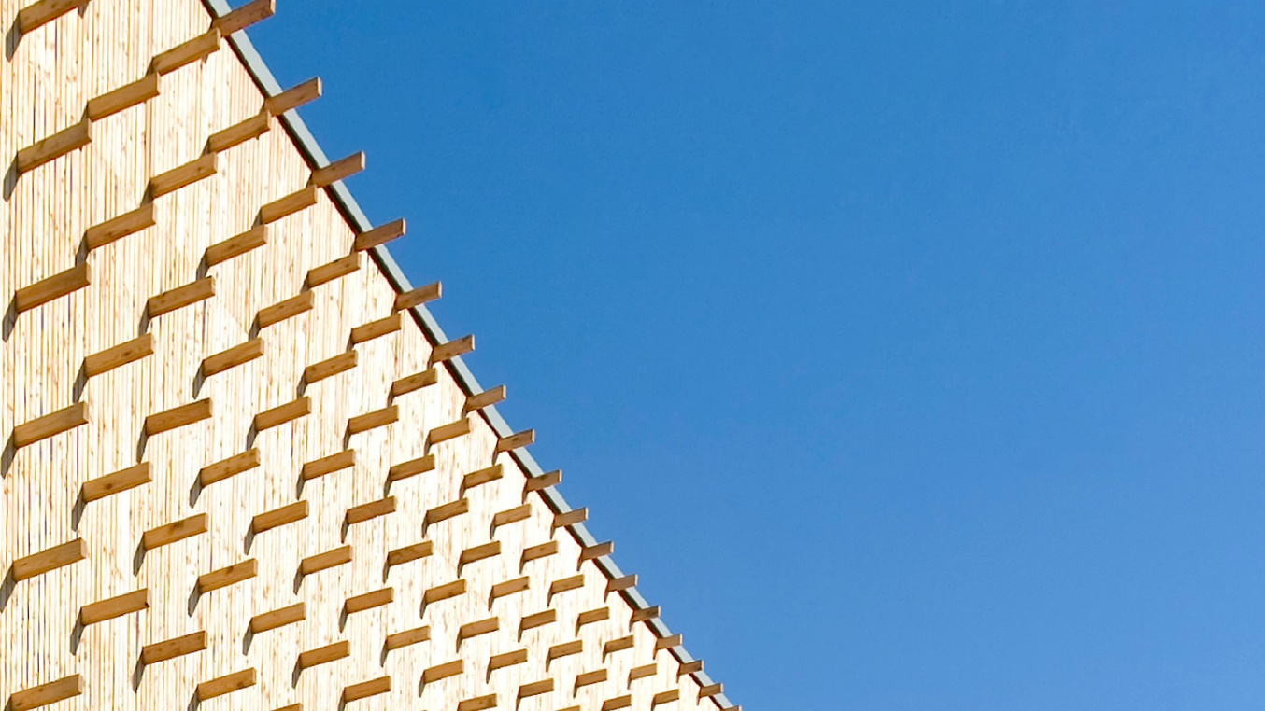 |  |  |  |  |  | Main material type | Total biogenic carbon (CSC) [kg CO2e] | Product category | Total biogenic carbon (CSC) [kg CO2e] | Product name | Total biogenic carbon (CSC) [kg CO2e]
The Urban Woods Delft |  |  |  |  |  | Structural: timber/lumber | 69992.936273 | Floors | 892280.664 | Vuren (Picea spp) | -118373.53961
 |  | by |  |  |  | Structural: CLT or LVL | 1301974.536 | Ceilings | 0 | CLT (Cross Laminated Timber) | -1301974.536
 |  | Urban Climate Architects |  |  |  | Structural: bamboo | 0 | Frames and walls | 72778.808273 | Volpaneel 54 (VP54) | -221342.22
Project details |  |  |  |  |  | Structural: other | 48380.603333 | Insulation | 225768.04 | ISOVLAS | -4425.82
Adress: | Tweemolentjeskade 59-82, 2612 XZ, Delft Delft, The Netherlands |  |  |  |  | Fibers: wood | 0 | Roofs | 0 |  | 0
Project type: | MFH, high-rise |  |  |  |  | Fibers: straw | 0 | Boards | 0 |  | 0
Expected realisation year: | 2026 |  |  |  |  | Fibers: grass/bamboo | 0 | Planks and beams | 406908 |  | 0
Project lifespan: | 75 | years |  |  |  | Fibers: hemp or flax | 225768.04 | Other | 48380.603333 |  | 0
Gross floor area: | 6785 | m2 |  |  |  | Fibers: other | 0 |  |  |  | 0
Project phase: | As Built |  |  |  |  | Composite: wood-based | 0 |  |  |  | 0
 |  |  |  |  |  | Composite: mycelium-based | 0 |  |  |  | 0
Project description |  |  |  |  |  | Composite: concrete-based | 0 |  |  |  | 0
The Urban Woods in Delft is a circular innovative subscription-based housing project. The building uses a lot of biobased materials. |  |  |  |  |  | Other | 0 |  |  |  | 0
 |  |  |  |  |  |  |  |  |  |  | 0
 |  |  |  |  |  |  |  |  |  |  | 0
 |  |  |  |  |  |  |  |  |  |  | 0
 |  |  |  |  |  |  |  |  |  |  | 0
Based on a total Construction Stored Carbon of |  |  | 1646.12 | tCO2e, |  |  |  |  |  |  | 0
The Net Carbon Removal Benefit of the project is calculated at: |  |  |  |  |  |  |  |  |  |  | 0
 | 1,578 |  |  |  |  |  |  |  |  |  | 0
 |  |  |  |  |  |  |  |  |  |  | 0
 |  |  |  | t CO2e
Per square meter Gross Floor Area of the project this equates to: |  |  |  |  |  |  |  |  |  |  | 0
 | 232.6 |  |  |  |  |  |  |  |  |  | 0
 |  |  |  |  |  |  |  |  |  |  | 0
 |  |  |  | kg CO2e / m2 |  |  |  |  |  |  | 0
 |  |  |  |  |  |  |  |  |  |  | 0
With a total lifespan (including reuse) of at least |  |  | 75 | years |  |  |  |  |  |  | 0
 |  |  |  |  |  |  |  |  |  |  | 0
 |  |  |  |  |  |  |  |  |  |  | 0
 |  |  |  |  |  |  |  |  |  |  | 0
Climate Cleanup Net Carbon Removal Benefit Calculation Tool v3.1, available at climatecleanup.org/csc-tool |  |  |  |  |  |  |  |  |  |  | 0
 |  |  |  |  |  |  |  |  |  |  | 0
CSC per main material type
CSC per product category
 |  |  |  |  |  |  |  |  |  |  | 0
 |  |  |  |  |  |  |  |  |  |  | 0
 |  |  |  |  |  |  |  |  |  |  | 0
 |  |  |  |  |  |  |  |  |  |  | 0
 |  |  |  |  |  |  |  |  |  |  | 0
 |  |  |  |  |  |  |  |  |  |  | 0
 |  |  |  |  |  |  |  |  |  |  | 0
 |  |  |  |  |  |  |  |  |  |  | 0
 |  |  |  |  |  |  |  |  |  |  | 0
 |  |  |  |  |  |  |  |  |  |  | 0
 |  |  |  |  |  |  |  |  |  |  | 0
 |  |  |  |  |  |  |  |  |  |  | 0
 |  |  |  |  |  |  |  |  |  |  | 0
 |  |  |  |  |  |  |  |  |  |  | 0
 |  |  |  |  |  |  |  |  |  |  | 0
Calculation input |  |  |  |  |  |  |  |  |  |  | 0
The table below shows the registration numbers of the EPDs of the biobased products used in the project, as well as the manually entered data used to calculate the project's Net Carbon Removal Benefit: |  |  |  |  |  |  |  |  |  |  | 0
 |  |  |  |  |  |  |  |  |  |  | 0
 |  |  |  |  |  |  |  |  |  |  | 0
Product name |  | Product quantity | Carbon content [kg CO2e/unit] | Total biogenic carbon (CSC) [kg CO2e] | Total lifespan [years] |  |  |  |  |  | 0
Vuren (Picea spp) |  | 94,2545 m3 | -735.82666667 | -69354.974553 | 75 |  |  |  |  |  | 0
Vuren (Picea spp) |  | 0,867 m3 | -735.82666667 | -637.96172 | 75 |  |  |  |  |  | 0
Vuren (Picea spp) |  | 65,75 m3 | -735.82666667 | -48380.603333 | 75 |  |  |  |  |  | 0
CLT (Cross Laminated Timber) |  | 3,656 m3 | -762 | -2785.872 | 75 |  |  |  |  |  | 0
CLT (Cross Laminated Timber) |  | 1170,972 m3 | -762 | -892280.664 | 75 |  |  |  |  |  | 0
CLT (Cross Laminated Timber) |  | 534 m3 | -762 | -406908 | 75 |  |  |  |  |  | 0
Volpaneel 54 (VP54) |  | 11178,9 m2 | -19.8 | -221342.22 | 75 |  |  |  |  |  | 0
ISOVLAS |  | 158,065 m3 | -28 | -4425.82 | 75 |  |  |  |  |  | 0
 |  |  |  |  |  |  |  |  |  |  | 0
 |  |  |  |  |  |  |  |  |  |  | 0
 |  |  |  |  |  |  |  |  |  |  | 0
 |  |  |  |  |  |  |  |  |  |  | 0
 |  |  |  |  |  |  |  |  |  |  | 0
 |  |  |  |  |  |  |  |  |  |  | 0
 |  |  |  |  |  |  |  |  |  |  | 0
 |  |  |  |  |  |  |  |  |  |  | 0
 |  |  |  |  |  |  |  |  |  |  | 0
 |  |  |  |  |  |  |  |  |  |  | 0
 |  |  |  |  |  |  |  |  |  |  | 0
 |  |  |  |  |  |  |  |  |  |  | 0
 |  |  |  |  |  |  |  |  |  |  | 0
 |  |  |  |  |  |  |  |  |  |  | 0
 |  |  |  |  |  |  |  |  |  |  | 0
 |  |  |  |  |  |  |  |  |  |  | 0
 |  |  |  |  |  |  |  |  |  |  | 0
 |  |  |  |  |  |  |  |  |  |  | 0
 |  |  |  |  |  |  |  |  |  |  | 0
 |  |  |  |  |  |  |  |  |  |  | 0
 |  |  |  |  |  |  |  |  |  |  | 0
 |  |  |  |  |  |  |  |  |  |  | 0
 |  |  |  |  |  |  |  |  |  |  | 0
 |  |  |  |  |  |  |  |  |  |  | 0
 |  |  |  |  |  |  |  |  |  |  | 0
 |  |  |  |  |  |  |  |  |  |  | 0
 |  |  |  |  |  |  |  |  |  |  | 0
 |  |  |  |  |  |  |  |  |  |  | 0
 |  |  |  |  |  |  |  |  |  |  | 0
 |  |  |  |  |  |  |  |  |  |  | 0
 |  |  |  |  |  |  |  |  |  |  | 0
 |  |  |  |  |  |  |  |  |  |  | 0
 |  |  |  |  |  |  |  |  |  |  | 0
 |  |  |  |  |  |  |  |  |  |  | 0
 |  |  |  |  |  |  |  |  |  |  | 0
 |  |  |  |  |  |  |  |  |  |  | 0
 |  |  |  |  |  |  |  |  |  |  | 0
 |  |  |  |  |  |  |  |  |  |  | 0
 |  |  |  |  |  |  |  |  |  |  | 0
 |  |  |  |  |  |  |  |  |  |  | 0
 |  |  |  |  |  |  |  |  |  |  | 0

NCRB_CalculationModule
$${CR}_{baseline}=\frac{−1}{1000}×BSF×{GFA}_{project}$$
Symbol & function | Description | Value | Unit
CRbaseline (always negative) | Carbon removals under the baseline scenario.
 | = -1/1000 x 10 x 6785 = | -67.9 | t CO2e
CRtotal (always negative) | Total Project carbon removals.
$${CR}_{total}= \frac{1}{1000}×\sum_{i=1}^{N}{{CSC}_{i}}$$
 | = 1/1000 x -1646116,12 = | -1,646.1 | t CO2e
GHGincrease (always postive or zero) | Direct and indirect increase in GHG emissions.
$${GHG}_{increase}=\max\left\{ 0, \frac{1}{1000}×(\sum_{i=1}^{N}{{GHG}_{i}}−BEF×{GFA}_{project})\right\}$$
 | = -1/1000 x (0 - 0 x 6785) = | 0.0 | t CO2e
NCRB | Net Carbon Removal Benefit
$$NCRB={CR}_{baseline}−{CR}_{total}−{GHG}_{increase}$$
 | = -67,85 - -1646,12 - 0 = | 1,578.3 | t CO2e

 |  |  | CRtotal [kg CO2e] = | -1,646,116.1 | GHGtotal [kg CO2e] = | 0.0 | Minimum total lifespan = |  | 75.0
EPD number | Product name | Product quantity | Carbon content [kg CO2e/unit] | Total biogenic carbon (CSC) [kg CO2e] | GWPa exc. bio. carbon [kg CO2e/unit] | Total GWPa exc. bio. carbon [kg CO2e] | Total lifespan [years] | Main material type | Product category
 | Vuren (Picea spp) | 94,2545 m3 | -735.83 | -69,355 |  |  | 75 | Structural: timber/lumber | Frames and walls
 | Vuren (Picea spp) | 0,867 m3 | -735.83 | -638 |  |  | 75 | Structural: timber/lumber | Frames and walls
 | Vuren (Picea spp) | 65,75 m3 | -735.83 | -48,381 |  |  | 75 | Structural: other | Other
S-P-09949 | CLT (Cross Laminated Timber) | 3,656 m3 | -762.00 | -2,786 |  |  | 75 | Structural: CLT or LVL | Frames and walls
S-P-09949 | CLT (Cross Laminated Timber) | 1170,972 m3 | -762.00 | -892,281 |  |  | 75 | Structural: CLT or LVL | Floors
S-P-09949 | CLT (Cross Laminated Timber) | 534 m3 | -762.00 | -406,908 |  |  | 75 | Structural: CLT or LVL | Planks and beams
EPD-2024-7802 | Volpaneel 54 (VP54) | 11178,9 m2 | -19.80 | -221,342 |  |  | 75 | Fibers: hemp or flax | Insulation
 | ISOVLAS | 158,065 m3 | -28.00 | -4,426 |  |  | 75 | Fibers: hemp or flax | Insulation

