Fields
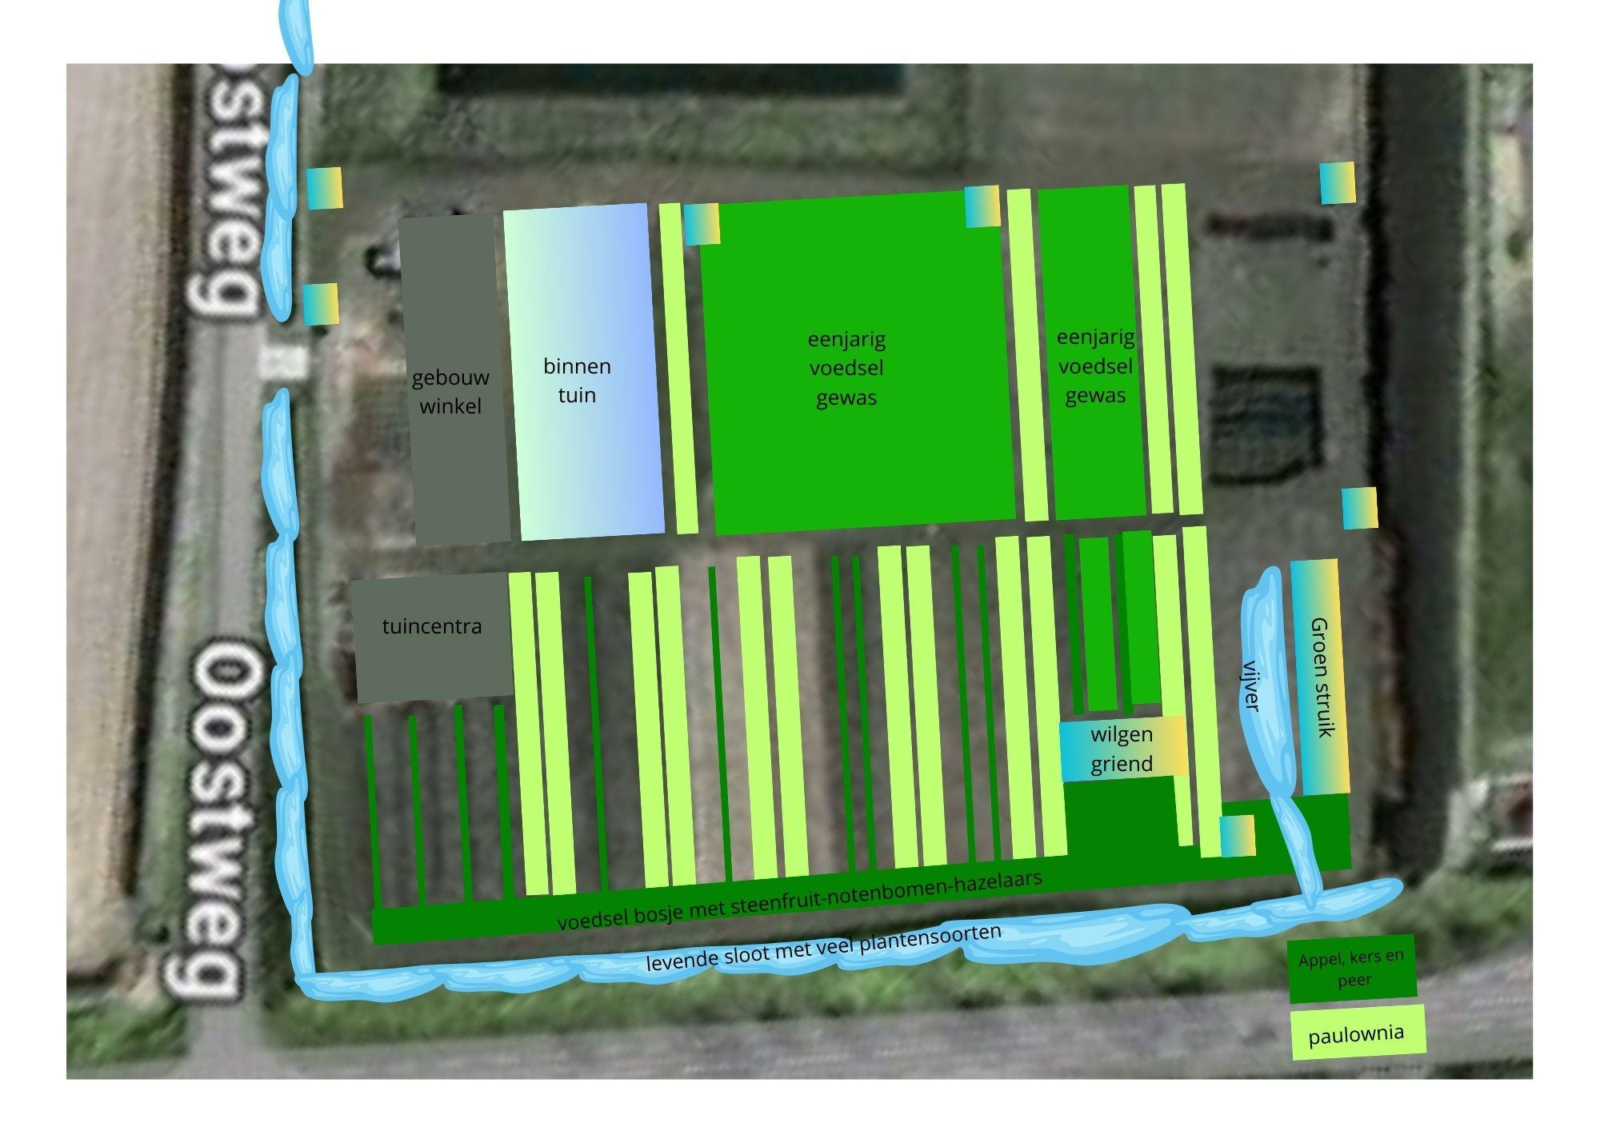
Field Code | Field name | Size (ha) | Owner | Kadastrale kaart
A | Perceel Sint Annaland (ANL00) H 899 - paulownia | 0.176 | Stichting Corazon - Richard Lanser & Johanna Marina Aarnoudse | https://kadastralekaart.com/kaart/perceel/ANL00/H/899
B | Perceel Sint Annaland (ANL00) H 899 - fruitgaard | 0.4
 |  |  |  |  | Perceelopdeling
 |  |  |  |  | Groentetuin | 0.4
 |  |  |  |  | Fruitgaard | 0.4 |  | 100 peren bomen bijgepland, voedselbos
 |  |  |  |  | Paulownia | 0.176 | 400 bomen
 |  |  |  |  | Wilgen | 0.01 | 510 wilgen
 |  |  |  |  | Total | 0.986

 |  |  |  |  | 130 m * 5 m strook onderkant voedselbos pad
 |  |  |  |  | rijen met appels, peren, bessen struiken

