Report
Net Carbon Removal Benefit Calculation
This report was created using the free, open calculation tool by Climate Cleanup Foundation. The calculation tool was developed as a part of the Construction Stored Carbon intervention.
No rights may be derived from this report.
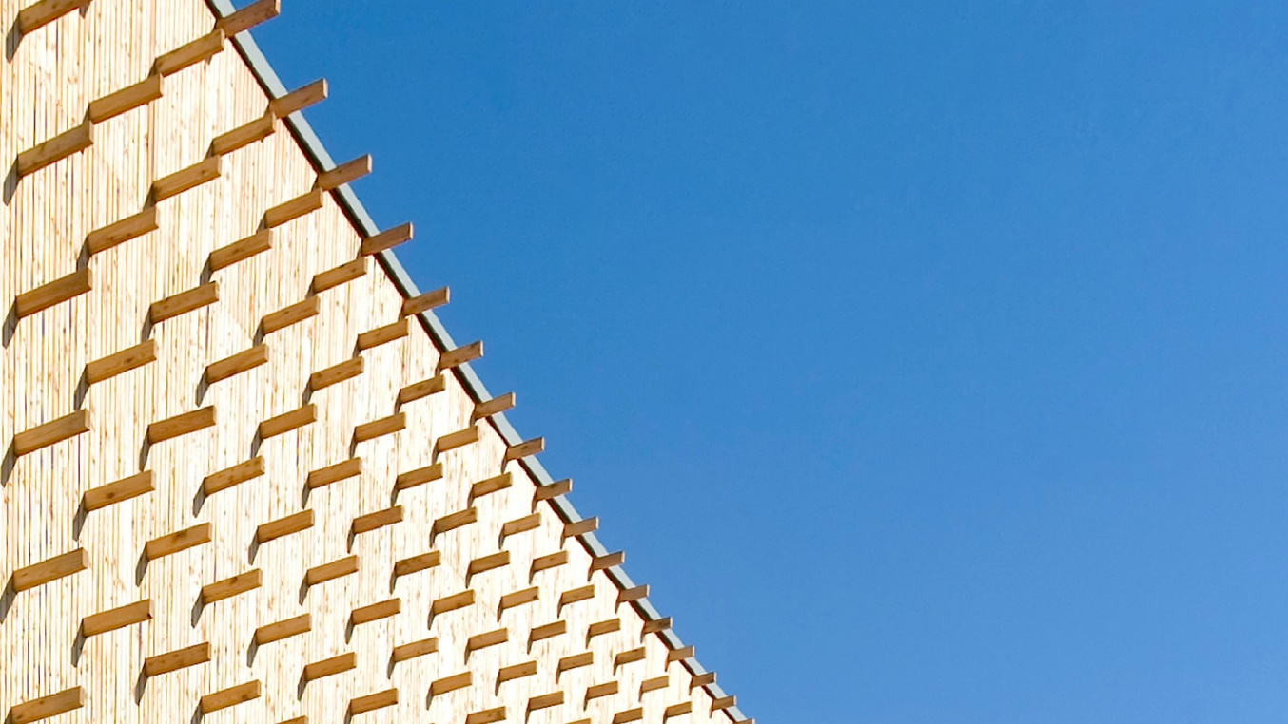 |  |  |  |  |  | Main material type | Total biogenic carbon (CSC) [kg CO2e] | Product category | Total biogenic carbon (CSC) [kg CO2e] | Product name | Total biogenic carbon (CSC) [kg CO2e]
The CubeHouse |  |  |  |  |  | Structural: timber/lumber | 0 | Floors | 1830171.6 | CLT (Cross Laminated Timber) | -2828132.3981
 |  | by |  |  |  | Structural: CLT or LVL | 2828132.3981 | Ceilings | 0 |  | 0
 |  | A.S.R. Real Estate |  |  |  | Structural: bamboo | 0 | Frames and walls | 89001.6 |  | 0
Project details |  |  |  |  |  | Structural: other | 0 | Insulation | 0 |  | 0
Adress: | Parnassusweg, Amsterdam, The Netherlands |  |  |  |  | Fibers: wood | 0 | Roofs | 0 |  | 0
Project type: | Utility: office |  |  |  |  | Fibers: straw | 0 | Boards | 0 |  | 0
Expected realisation year: | 2025 |  |  |  |  | Fibers: grass/bamboo | 0 | Planks and beams | 908959.19808 |  | 0
Project lifespan: | 64 | years |  |  |  | Fibers: hemp or flax | 0 | Other | 0 |  | 0
Gross floor area: | 16618 | m2 |  |  |  | Fibers: other | 0 |  |  |  | 0
Project phase: | As Built |  |  |  |  | Composite: wood-based | 0 |  |  |  | 0
 |  |  |  |  |  | Composite: mycelium-based | 0 |  |  |  | 0
Project description |  |  |  |  |  | Composite: concrete-based | 0 |  |  |  | 0
The first hybrid-timber building at the Amsterdam Zuidas. The CubeHouse will be Paris Proof upon delivery, certified with a WELL-gold indoor climate, and various unique features promoting sustainability and well-being. |  |  |  |  |  | Other | 0 |  |  |  | 0
 |  |  |  |  |  |  |  |  |  |  | 0
 |  |  |  |  |  |  |  |  |  |  | 0
 |  |  |  |  |  |  |  |  |  |  | 0
 |  |  |  |  |  |  |  |  |  |  | 0
Based on a total Construction Stored Carbon of |  |  | 2828.13 | tCO2e, |  |  |  |  |  |  | 0
The Net Carbon Removal Benefit of the project is calculated at: |  |  |  |  |  |  |  |  |  |  | 0
 | 2,662 |  |  |  |  |  |  |  |  |  | 0
 |  |  |  |  |  |  |  |  |  |  | 0
 |  |  |  | t CO2e
Per square meter Gross Floor Area of the project this equates to: |  |  |  |  |  |  |  |  |  |  | 0
 | 160.2 |  |  |  |  |  |  |  |  |  | 0
 |  |  |  |  |  |  |  |  |  |  | 0
 |  |  |  | kg CO2e / m2 |  |  |  |  |  |  | 0
 |  |  |  |  |  |  |  |  |  |  | 0
With a total lifespan (including reuse) of at least |  |  | 114 | years |  |  |  |  |  |  | 0
 |  |  |  |  |  |  |  |  |  |  | 0
 |  |  |  |  |  |  |  |  |  |  | 0
 |  |  |  |  |  |  |  |  |  |  | 0
Climate Cleanup Net Carbon Removal Benefit Calculation Tool v3.1, available at climatecleanup.org/csc-tool |  |  |  |  |  |  |  |  |  |  | 0
 |  |  |  |  |  |  |  |  |  |  | 0
CSC per main material type
CSC per product category
 |  |  |  |  |  |  |  |  |  |  | 0
 |  |  |  |  |  |  |  |  |  |  | 0
 |  |  |  |  |  |  |  |  |  |  | 0
 |  |  |  |  |  |  |  |  |  |  | 0
 |  |  |  |  |  |  |  |  |  |  | 0
 |  |  |  |  |  |  |  |  |  |  | 0
 |  |  |  |  |  |  |  |  |  |  | 0
 |  |  |  |  |  |  |  |  |  |  | 0
 |  |  |  |  |  |  |  |  |  |  | 0
 |  |  |  |  |  |  |  |  |  |  | 0
 |  |  |  |  |  |  |  |  |  |  | 0
 |  |  |  |  |  |  |  |  |  |  | 0
 |  |  |  |  |  |  |  |  |  |  | 0
 |  |  |  |  |  |  |  |  |  |  | 0
 |  |  |  |  |  |  |  |  |  |  | 0
Calculation input |  |  |  |  |  |  |  |  |  |  | 0
The table below shows the registration numbers of the EPDs of the biobased products used in the project, as well as the manually entered data used to calculate the project's Net Carbon Removal Benefit: |  |  |  |  |  |  |  |  |  |  | 0
 |  |  |  |  |  |  |  |  |  |  | 0
 |  |  |  |  |  |  |  |  |  |  | 0
Product name |  | Product quantity | Carbon content [kg CO2e/unit] | Total biogenic carbon (CSC) [kg CO2e] | Total lifespan [years] |  |  |  |  |  | 0
CLT (Cross Laminated Timber) |  | 2401,8 m3 | -762 | -1830171.6 | 114 |  |  |  |  |  | 0
CLT (Cross Laminated Timber) |  | 499,392 m3 | -762 | -380536.704 | 114 |  |  |  |  |  | 0
CLT (Cross Laminated Timber) |  | 26,94564 m3 | -762 | -20532.57768 | 114 |  |  |  |  |  | 0
CLT (Cross Laminated Timber) |  | 116,8 m3 | -762 | -89001.6 | 114 |  |  |  |  |  | 0
CLT (Cross Laminated Timber) |  | 161,28 m3 | -762 | -122895.36 | 114 |  |  |  |  |  | 0
CLT (Cross Laminated Timber) |  | 397,568 m3 | -762 | -302946.816 | 114 |  |  |  |  |  | 0
CLT (Cross Laminated Timber) |  | 61,2864 m3 | -762 | -46700.2368 | 114 |  |  |  |  |  | 0
CLT (Cross Laminated Timber) |  | 0,0198 m3 | -762 | -15.0876 | 114 |  |  |  |  |  | 0
CLT (Cross Laminated Timber) |  | 46,368 m3 | -762 | -35332.416 | 114 |  |  |  |  |  | 0
 |  |  |  |  |  |  |  |  |  |  | 0
 |  |  |  |  |  |  |  |  |  |  | 0
 |  |  |  |  |  |  |  |  |  |  | 0
 |  |  |  |  |  |  |  |  |  |  | 0
 |  |  |  |  |  |  |  |  |  |  | 0
 |  |  |  |  |  |  |  |  |  |  | 0
 |  |  |  |  |  |  |  |  |  |  | 0
 |  |  |  |  |  |  |  |  |  |  | 0
 |  |  |  |  |  |  |  |  |  |  | 0
 |  |  |  |  |  |  |  |  |  |  | 0
 |  |  |  |  |  |  |  |  |  |  | 0
 |  |  |  |  |  |  |  |  |  |  | 0
 |  |  |  |  |  |  |  |  |  |  | 0
 |  |  |  |  |  |  |  |  |  |  | 0
 |  |  |  |  |  |  |  |  |  |  | 0
 |  |  |  |  |  |  |  |  |  |  | 0
 |  |  |  |  |  |  |  |  |  |  | 0
 |  |  |  |  |  |  |  |  |  |  | 0
 |  |  |  |  |  |  |  |  |  |  | 0
 |  |  |  |  |  |  |  |  |  |  | 0
 |  |  |  |  |  |  |  |  |  |  | 0
 |  |  |  |  |  |  |  |  |  |  | 0
 |  |  |  |  |  |  |  |  |  |  | 0
 |  |  |  |  |  |  |  |  |  |  | 0
 |  |  |  |  |  |  |  |  |  |  | 0
 |  |  |  |  |  |  |  |  |  |  | 0
 |  |  |  |  |  |  |  |  |  |  | 0
 |  |  |  |  |  |  |  |  |  |  | 0
 |  |  |  |  |  |  |  |  |  |  | 0
 |  |  |  |  |  |  |  |  |  |  | 0
 |  |  |  |  |  |  |  |  |  |  | 0
 |  |  |  |  |  |  |  |  |  |  | 0
 |  |  |  |  |  |  |  |  |  |  | 0
 |  |  |  |  |  |  |  |  |  |  | 0
 |  |  |  |  |  |  |  |  |  |  | 0
 |  |  |  |  |  |  |  |  |  |  | 0
 |  |  |  |  |  |  |  |  |  |  | 0
 |  |  |  |  |  |  |  |  |  |  | 0
 |  |  |  |  |  |  |  |  |  |  | 0
 |  |  |  |  |  |  |  |  |  |  | 0

NCRB_CalculationModule
$${CR}_{baseline}=\frac{−1}{1000}×BSF×{GFA}_{project}$$
Symbol & function | Description | Value | Unit
CRbaseline | Carbon removals under the baseline scenario.
 | = -1/1000 x 10 x 16618 = | -166.2 | t CO2e
CRtotal | Total Project carbon removals.
$${CR}_{total}= \frac{1}{1000}×\sum_{i=1}^{N}{{CSC}_{i}}$$
 | = 1/1000 x -2828132,4 = | -2,828.1 | t CO2e
GHGincrease | Direct and indirect increase in GHG emissions.
$${GHG}_{increase}=0$$
 | GHG_increase for Biobased Construction is considered to be 0 as of version 3.0 of this Calculation Tool. | 0.0 | t CO2e
NCRB | Net Carbon Removal Benefit
$$NCRB={CR}_{baseline}−{CR}_{total}−{GHG}_{increase}$$
 | = -166,18 - -2828,13 - 0 = | 2,662.0 | t CO2e

 |  |  | CSCtotal [kg CO2e] = | -2,828,132.4 | Minimum total lifespan = |  | 114.0
EPD number | Product name | Product quantity | Carbon content [kg CO2e/unit] | Total biogenic carbon (CSC) [kg CO2e] | Total lifespan [years] | Main material type | Product category
S-P-09949 | CLT (Cross Laminated Timber) | 2401,8 m3 | -762.00 | -1,830,172 | 114 | Structural: CLT or LVL | Floors
S-P-09949 | CLT (Cross Laminated Timber) | 499,392 m3 | -762.00 | -380,537 | 114 | Structural: CLT or LVL | Planks and beams
S-P-09949 | CLT (Cross Laminated Timber) | 26,94564 m3 | -762.00 | -20,533 | 114 | Structural: CLT or LVL | Planks and beams
S-P-09949 | CLT (Cross Laminated Timber) | 116,8 m3 | -762.00 | -89,002 | 114 | Structural: CLT or LVL | Frames and walls
S-P-09949 | CLT (Cross Laminated Timber) | 161,28 m3 | -762.00 | -122,895 | 114 | Structural: CLT or LVL | Planks and beams
S-P-09949 | CLT (Cross Laminated Timber) | 397,568 m3 | -762.00 | -302,947 | 114 | Structural: CLT or LVL | Planks and beams
S-P-09949 | CLT (Cross Laminated Timber) | 61,2864 m3 | -762.00 | -46,700 | 114 | Structural: CLT or LVL | Planks and beams
S-P-09949 | CLT (Cross Laminated Timber) | 0,0198 m3 | -762.00 | -15 | 114 | Structural: CLT or LVL | Planks and beams
S-P-09949 | CLT (Cross Laminated Timber) | 46,368 m3 | -762.00 | -35,332 | 114 | Structural: CLT or LVL | Planks and beams

