Measurements
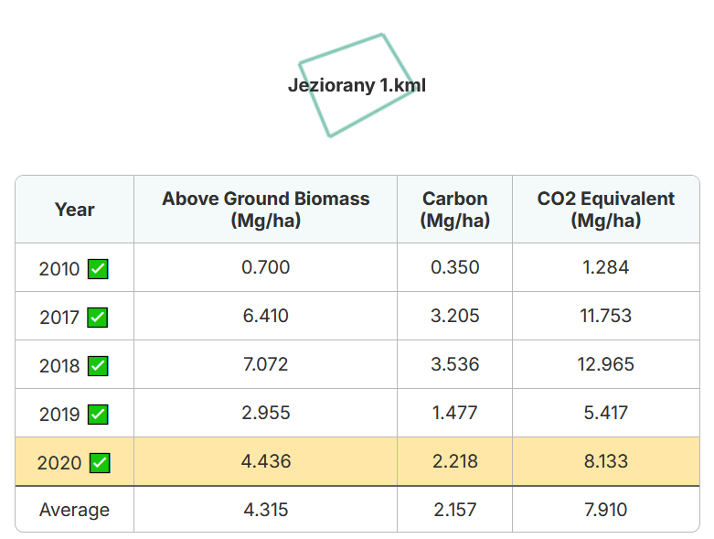
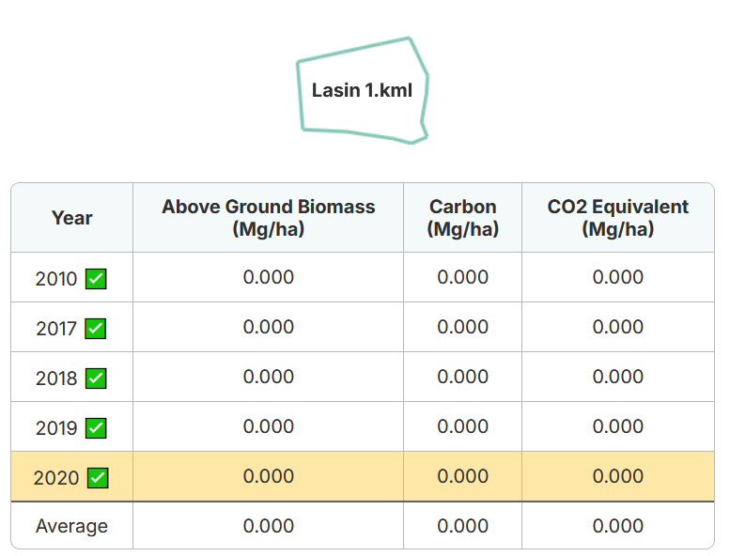
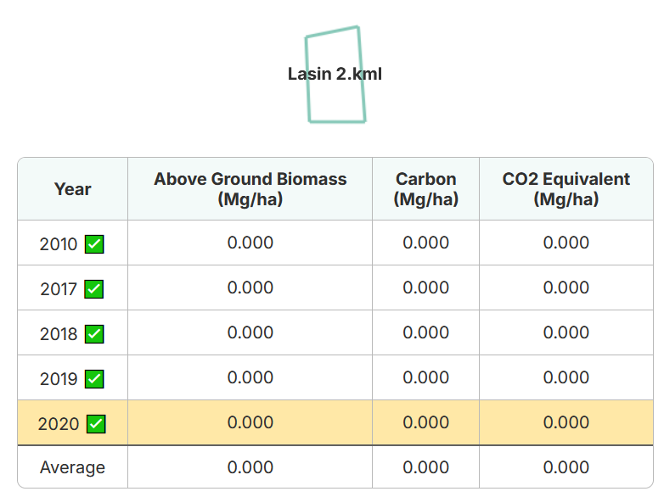
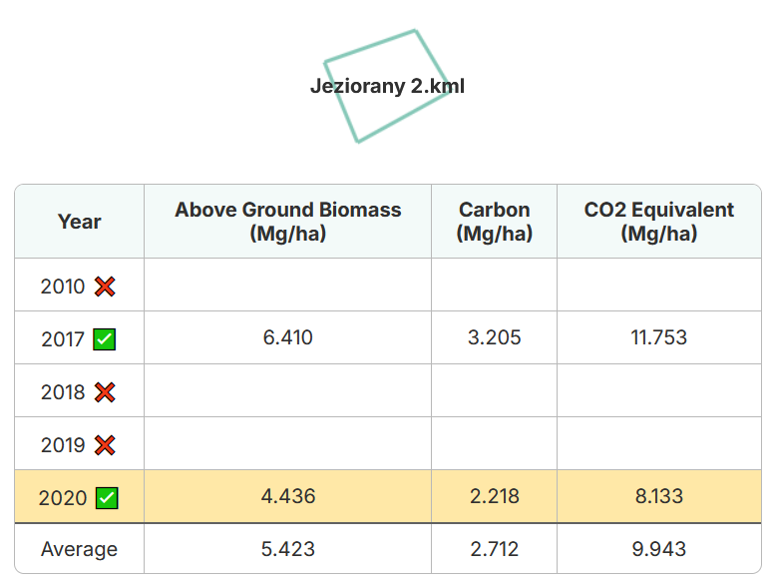
# | Field code | Field | Year | Date | Sample depth (cm) | SOC/AGB/REF | Carbon (g/kg) | AGB (tCO2/ha) | Sample/report nr. | Weighted average SOC |  |  |  |  | Weighted average AGB
001 | Jez1 | Jeziorany 1 | 2024 | 2024-01-01 | 30 | SOC | 7 |  |  | Average per field | Field size | Year |  |  | Average per field | Field size | Year
002 | Jez2 | Jeziorany 2 | 2024 | 2024-01-01 | 30 | SOC | 19.7 |  |  | 7 | 9.23 | 2024 | 64.61 | 12.32712329 | 7.91 | 9.23 | 2024 | 73.0093 | 5.133739178
003 | Las1 | Lasin 1 | 2024 | 2024-01-01 | 30 | SOC | 18.6 |  |  | 19.7 | 2.08 | 2024 | 40.976 |  | 9.943 | 2.08 | 2024 | 20.68144
004 | Las2 | Lasin 2 | 2024 | 2024-01-01 | 30 | SOC | 13.6 |  |  | 18.6 | 5 | 2024 | 93 |  | 0 | 5 | 2024 | 0
005 | Jez1 | Jeziorany 1 | 2020 | 2020-01-01 |  | AGB |  | 7.91 |  | 13.6 | 1.94 | 2024 | 26.384 |  | 0 | 1.94 | 2024 | 0
006 | Jez2 | Jeziorany 2 | 2020 | 2020-01-01 |  | AGB |  | 9.943
007 | Las1 | Lasin 1 | 2020 | 2020-01-01 |  | AGB |  | 0
009 | Las2 | Lasin 2 | 2020 | 2020-01-01 |  | AGB |  | 0
010 |  | #N/A | 1899
011 |  | #N/A | 1899
012 |  | #N/A | 1899
013 |  | #N/A | 1899
014 |  | #N/A | 1899
015 |  | #N/A | 1899

