Report
Net Carbon Removal Benefit Calculation
This report was created using the free, open calculation tool by Climate Cleanup Foundation. The calculation tool was developed as a part of the Construction Stored Carbon intervention.
No rights may be derived from this report.
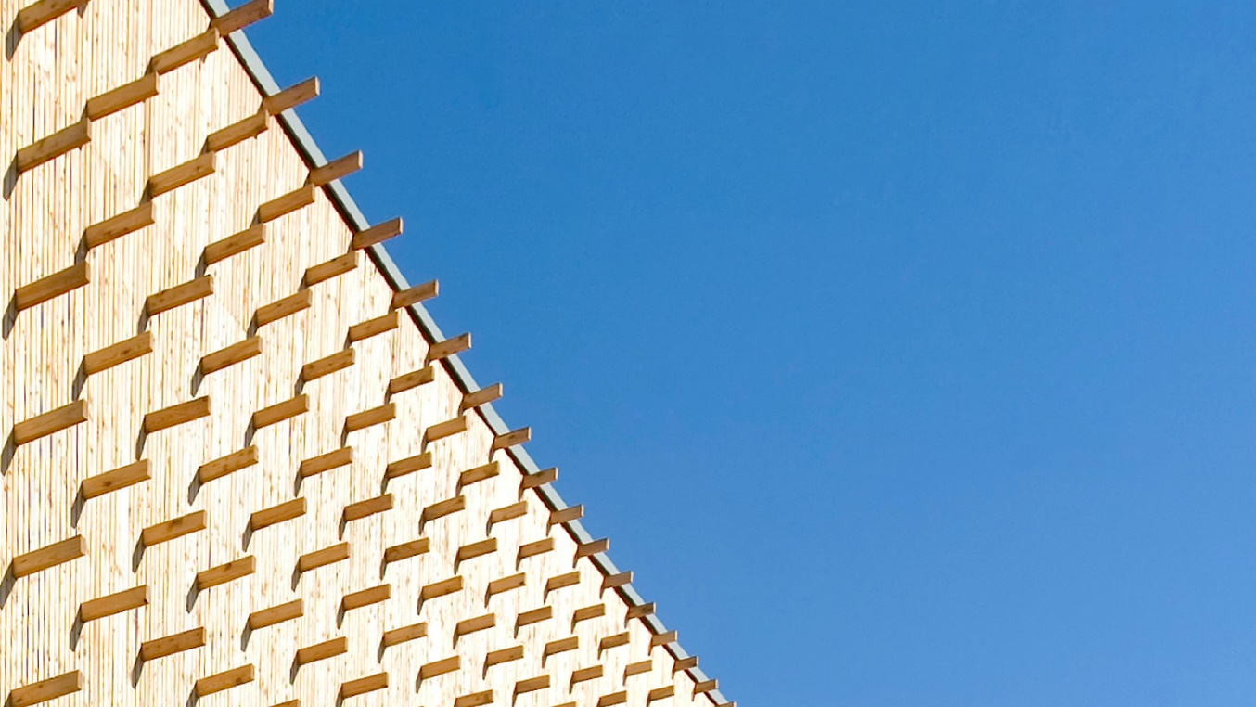 |  |  |  |  |  | Main material type | Total biogenic carbon (CSC) [kg CO2e] | Product category | Total biogenic carbon (CSC) [kg CO2e] | Product name | Total biogenic carbon (CSC) [kg CO2e]
Houtlab |  |  |  |  |  | Structural: timber/lumber | 6246.165 | Floors | 0 | X-LAM (Cross laminated timber) | with retour system | -285557.76
 |  | by |  |  |  | Structural: CLT or LVL | 285557.76 | Ceilings | 0 | Glued laminated timber (Glulam) | -105050.7
 |  | Woody Builders |  |  |  | Structural: bamboo | 0 | Frames and walls | 0 | OSB | -7981.52
Project details |  |  |  |  |  | Structural: other | 105050.7 | Insulation | 11142.62016 | Vuren (Picea spp) | -6246.165
Adress: | Hoogpoort 3, 5253RN Nieuwkuijk, The Netherlands |  |  |  |  | Fibers: wood | 19124.14016 | Roofs | 0 | Wood fibre insulation boards | -11142.62016
Project type: | Utility: other |  |  |  |  | Fibers: straw | 0 | Boards | 7981.52 |  | 0
Expected realisation year: | 2023 |  |  |  |  | Fibers: grass/bamboo | 0 | Planks and beams | 6246.165 |  | 0
Project lifespan: | 50 | years |  |  |  | Fibers: hemp or flax | 0 | Other | 390608.46 |  | 0
Gross floor area: | 2475 | m2 |  |  |  | Fibers: other | 0 |  |  |  | 0
Project phase: | As Built |  |  |  |  | Composite: wood-based | 0 |  |  |  | 0
 |  |  |  |  |  | Composite: mycelium-based | 0 |  |  |  | 0
Project description |  |  |  |  |  | Composite: concrete-based | 0 |  |  |  | 0
Houtlab is a sustainable, circular, and inspiring building where collaboration takes precedence. It serves as the home base for Woody Builders and other subsidiaries of JAJO, such as PVVT, New Horizon, and Revolve. It's a true "hive" for parties interested in timber construction and circularity. |  |  |  |  |  | Other | 0 |  |  |  | 0
 |  |  |  |  |  |  |  |  |  |  | 0
 |  |  |  |  |  |  |  |  |  |  | 0
 |  |  |  |  |  |  |  |  |  |  | 0
 |  |  |  |  |  |  |  |  |  |  | 0
Based on a total Construction Stored Carbon of |  |  | 415.98 | tCO2e, |  |  |  |  |  |  | 0
The Net Carbon Removal Benefit of the project is calculated at: |  |  |  |  |  |  |  |  |  |  | 0
 | 391 |  |  |  |  |  |  |  |  |  | 0
 |  |  |  |  |  |  |  |  |  |  | 0
 |  |  |  | t CO2e
Per square meter Gross Floor Area of the project this equates to: |  |  |  |  |  |  |  |  |  |  | 0
 | 158.1 |  |  |  |  |  |  |  |  |  | 0
 |  |  |  |  |  |  |  |  |  |  | 0
 |  |  |  | kg CO2e / m2 |  |  |  |  |  |  | 0
 |  |  |  |  |  |  |  |  |  |  | 0
With a total lifespan (including reuse) of at least |  |  | 50 | years |  |  |  |  |  |  | 0
 |  |  |  |  |  |  |  |  |  |  | 0
 |  |  |  |  |  |  |  |  |  |  | 0
 |  |  |  |  |  |  |  |  |  |  | 0
Climate Cleanup Net Carbon Removal Benefit Calculation Tool v3.1, available at climatecleanup.org/csc-tools |  |  |  |  |  |  |  |  |  |  | 0
 |  |  |  |  |  |  |  |  |  |  | 0
CSC per main material type
CSC per product category
 |  |  |  |  |  |  |  |  |  |  | 0
 |  |  |  |  |  |  |  |  |  |  | 0
 |  |  |  |  |  |  |  |  |  |  | 0
 |  |  |  |  |  |  |  |  |  |  | 0
 |  |  |  |  |  |  |  |  |  |  | 0
 |  |  |  |  |  |  |  |  |  |  | 0
 |  |  |  |  |  |  |  |  |  |  | 0
 |  |  |  |  |  |  |  |  |  |  | 0
 |  |  |  |  |  |  |  |  |  |  | 0
 |  |  |  |  |  |  |  |  |  |  | 0
 |  |  |  |  |  |  |  |  |  |  | 0
 |  |  |  |  |  |  |  |  |  |  | 0
 |  |  |  |  |  |  |  |  |  |  | 0
 |  |  |  |  |  |  |  |  |  |  | 0
 |  |  |  |  |  |  |  |  |  |  | 0
Calculation input |  |  |  |  |  |  |  |  |  |  | 0
The table below shows the registration numbers of the EPDs of the biobased products used in the project, as well as the manually entered data used to calculate the project's Net Carbon Removal Benefit: |  |  |  |  |  |  |  |  |  |  | 0
 |  |  |  |  |  |  |  |  |  |  | 0
 |  |  |  |  |  |  |  |  |  |  | 0
Product name |  | Product quantity | Carbon content [kg CO2e/unit] | Total biogenic carbon (CSC) [kg CO2e] | Total lifespan [years] |  |  |  |  |  | 0
X-LAM (Cross laminated timber) | with retour system |  | 371,82 m3 | -768 | -285557.76 | 100 |  |  |  |  |  | 0
Glued laminated timber (Glulam) |  | 135,9 m3 | -773 | -105050.7 | 100 |  |  |  |  |  | 0
OSB |  | 8,968 m3 | -890 | -7981.52 | 50 |  |  |  |  |  | 0
Vuren (Picea spp) |  | 0,665 m3 | -200.68 | -133.4522 | 50 |  |  |  |  |  | 0
Vuren (Picea spp) |  | 0,057 m3 | -200.68 | -11.43876 | 50 |  |  |  |  |  | 0
Vuren (Picea spp) |  | 28,539 m3 | -200.68 | -5727.20652 | 50 |  |  |  |  |  | 0
Vuren (Picea spp) |  | 1,864 m3 | -200.68 | -374.06752 | 50 |  |  |  |  |  | 0
Wood fibre insulation boards |  | 56,1624 m3 | -198.4 | -11142.62016 | 50 |  |  |  |  |  | 0
 |  |  |  |  |  |  |  |  |  |  | 0
 |  |  |  |  |  |  |  |  |  |  | 0
 |  |  |  |  |  |  |  |  |  |  | 0
 |  |  |  |  |  |  |  |  |  |  | 0
 |  |  |  |  |  |  |  |  |  |  | 0
 |  |  |  |  |  |  |  |  |  |  | 0
 |  |  |  |  |  |  |  |  |  |  | 0
 |  |  |  |  |  |  |  |  |  |  | 0
 |  |  |  |  |  |  |  |  |  |  | 0
 |  |  |  |  |  |  |  |  |  |  | 0
 |  |  |  |  |  |  |  |  |  |  | 0
 |  |  |  |  |  |  |  |  |  |  | 0
 |  |  |  |  |  |  |  |  |  |  | 0
 |  |  |  |  |  |  |  |  |  |  | 0
 |  |  |  |  |  |  |  |  |  |  | 0
 |  |  |  |  |  |  |  |  |  |  | 0
 |  |  |  |  |  |  |  |  |  |  | 0
 |  |  |  |  |  |  |  |  |  |  | 0
 |  |  |  |  |  |  |  |  |  |  | 0
 |  |  |  |  |  |  |  |  |  |  | 0
 |  |  |  |  |  |  |  |  |  |  | 0
 |  |  |  |  |  |  |  |  |  |  | 0
 |  |  |  |  |  |  |  |  |  |  | 0
 |  |  |  |  |  |  |  |  |  |  | 0
 |  |  |  |  |  |  |  |  |  |  | 0
 |  |  |  |  |  |  |  |  |  |  | 0
 |  |  |  |  |  |  |  |  |  |  | 0
 |  |  |  |  |  |  |  |  |  |  | 0
 |  |  |  |  |  |  |  |  |  |  | 0
 |  |  |  |  |  |  |  |  |  |  | 0
 |  |  |  |  |  |  |  |  |  |  | 0
 |  |  |  |  |  |  |  |  |  |  | 0
 |  |  |  |  |  |  |  |  |  |  | 0
 |  |  |  |  |  |  |  |  |  |  | 0
 |  |  |  |  |  |  |  |  |  |  | 0
 |  |  |  |  |  |  |  |  |  |  | 0
 |  |  |  |  |  |  |  |  |  |  | 0
 |  |  |  |  |  |  |  |  |  |  | 0
 |  |  |  |  |  |  |  |  |  |  | 0
 |  |  |  |  |  |  |  |  |  |  | 0
 |  |  |  |  |  |  |  |  |  |  | 0

NCRB_CalculationModule
$${CR}_{baseline}=\frac{−1}{1000}×BSF×{GFA}_{project}$$
Symbol & function | Description | Value | Unit
CRbaseline | Carbon removals under the baseline scenario.
 | = -1/1000 x 10 x 2475 = | -24.8 | t CO2e
CRtotal | Total Project carbon removals.
$${CR}_{total}= \frac{1}{1000}×\sum_{i=1}^{N}{{CSC}_{i}}$$
 | = 1/1000 x -415978,77 = | -416.0 | t CO2e
GHGincrease | Direct and indirect increase in GHG emissions.
$${GHG}_{increase}=0$$
 | GHG_increase for Biobased Construction is considered to be 0 as of version 3.0 of this Calculation Tool. | 0.0 | t CO2e
NCRB | Net Carbon Removal Benefit
$$NCRB={CR}_{baseline}−{CR}_{total}−{GHG}_{increase}$$
 | = -24,75 - -415,98 - 0 = | 391.2 | t CO2e

 |  |  | CSCtotal [kg CO2e] = | -415,978.8 | Minimum total lifespan = |  | 50.0
EPD number | Product name | Product quantity | Carbon content [kg CO2e/unit] | Total biogenic carbon (CSC) [kg CO2e] | Total lifespan [years] | Main material type | Product category
EPD-NIBE-20221220-33075 | X-LAM (Cross laminated timber) | with retour system | 371,82 m3 | -768.00 | -285,558 | 100 | Structural: CLT or LVL | Other
EPD-SHL-20180027-IBG1-EN | Glued laminated timber (Glulam) | 135,9 m3 | -773.00 | -105,051 | 100 | Structural: other | Other
EPD-KRO-20200203-IBD2-EN | OSB | 8,968 m3 | -890.00 | -7,982 | 50 | Fibers: wood | Boards
 | Vuren (Picea spp) | 0,665 m3 | -200.68 | -133 | 50 | Structural: timber/lumber | Planks and beams
No EPD number found. | Vuren (Picea spp) | 0,057 m3 | -200.68 | -11 | 50 | Structural: timber/lumber | Planks and beams
 | Vuren (Picea spp) | 28,539 m3 | -200.68 | -5,727 | 50 | Structural: timber/lumber | Planks and beams
 | Vuren (Picea spp) | 1,864 m3 | -200.68 | -374 | 50 | Structural: timber/lumber | Planks and beams
EPD-GTX-20200178-IBC1-EN | Wood fibre insulation boards | 56,1624 m3 | -198.40 | -11,143 | 50 | Fibers: wood | Insulation

