Report
Net Carbon Removal Benefit Calculation
This report was created using the free, open calculation tool by Climate Cleanup Foundation. The calculation tool was developed as a part of the Construction Stored Carbon intervention.
No rights may be derived from this report.
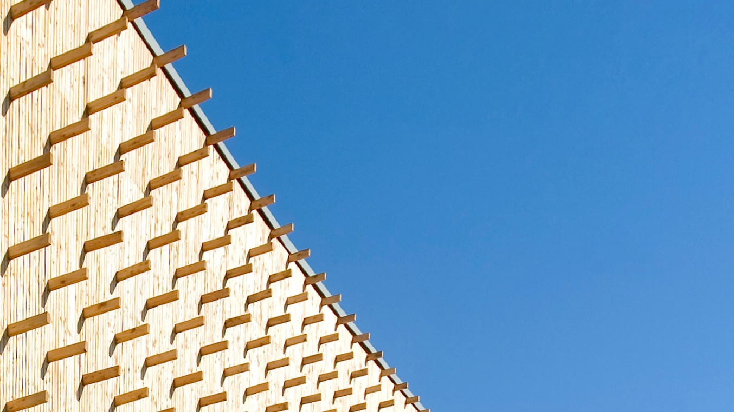 |  |  |  |  |  | Main material type | Total biogenic carbon (CSC) [kg CO2e] | Product category | Total biogenic carbon (CSC) [kg CO2e] | Product name | Total biogenic carbon (CSC) [kg CO2e]
Appelweg |  |  |  |  |  | Structural: timber/lumber | 228873.66278 | Floors | 4126.304 | CLT (Cross Laminated Timber) | -582046.2816
 |  | by |  |  |  | Structural: CLT or LVL | 582046.2816 | Ceilings | 112606.5024 | Vuren (Picea spp) | -220174.0552
 |  | Moos |  |  |  | Structural: bamboo | 0 | Frames and walls | 604051.9096 | Lariks (Larix decidua) | -8699.6075833
Project details |  |  |  |  |  | Structural: other | 0 | Insulation | 0 | flooring element | -4126.304
Adress: | Appelweg, 1033AR Amsterdam, Netherlands |  |  |  |  | Fibers: wood | 4126.304 | Roofs | 30132.102 |  | 0
Project type: | Residential: multi-storey |  |  |  |  | Fibers: straw | 0 | Boards | 55429.8228 |  | 0
Expected realisation year: | 2024 |  |  |  |  | Fibers: grass/bamboo | 0 | Planks and beams | 8699.6075833 |  | 0
Project lifespan: | 75 | years |  |  |  | Fibers: hemp or flax | 0 | Other | 0 |  | 0
Gross floor area: | 3183 | m2 |  |  |  | Fibers: other | 0 |  |  |  | 0
Project phase: | As Built |  |  |  |  | Composite: wood-based | 0 |  |  |  | 0
 |  |  |  |  |  | Composite: mycelium-based | 0 |  |  |  | 0
Project description |  |  |  |  |  | Composite: concrete-based | 0 |  |  |  | 0
This project built 65 modular biobased houses consisting out of 2 blocks in the north of Amsterdam. Block A has a GFA of 1480m2, Block B has a GFA of 1703m2. |  |  |  |  |  | Other | 0 |  |  |  | 0
 |  |  |  |  |  |  |  |  |  |  | 0
 |  |  |  |  |  |  |  |  |  |  | 0
 |  |  |  |  |  |  |  |  |  |  | 0
 |  |  |  |  |  |  |  |  |  |  | 0
Based on a total Construction Stored Carbon of |  |  | 815.05 | tCO2e, |  |  |  |  |  |  | 0
The Net Carbon Removal Benefit of the project is calculated at: |  |  |  |  |  |  |  |  |  |  | 0
 | 783 |  |  |  |  |  |  |  |  |  | 0
 |  |  |  |  |  |  |  |  |  |  | 0
 |  |  |  | t CO2e
Per square meter Gross Floor Area of the project this equates to: |  |  |  |  |  |  |  |  |  |  | 0
 | 246.1 |  |  |  |  |  |  |  |  |  | 0
 |  |  |  |  |  |  |  |  |  |  | 0
 |  |  |  | kg CO2e / m2 |  |  |  |  |  |  | 0
 |  |  |  |  |  |  |  |  |  |  | 0
With a total lifespan (including reuse) of at least |  |  | 75 | years |  |  |  |  |  |  | 0
 |  |  |  |  |  |  |  |  |  |  | 0
 |  |  |  |  |  |  |  |  |  |  | 0
 |  |  |  |  |  |  |  |  |  |  | 0
Climate Cleanup Net Carbon Removal Benefit Calculation Tool v3.1, available at climatecleanup.org/csc-tool |  |  |  |  |  |  |  |  |  |  | 0
 |  |  |  |  |  |  |  |  |  |  | 0
CSC per main material type
CSC per product category
 |  |  |  |  |  |  |  |  |  |  | 0
 |  |  |  |  |  |  |  |  |  |  | 0
 |  |  |  |  |  |  |  |  |  |  | 0
 |  |  |  |  |  |  |  |  |  |  | 0
 |  |  |  |  |  |  |  |  |  |  | 0
 |  |  |  |  |  |  |  |  |  |  | 0
 |  |  |  |  |  |  |  |  |  |  | 0
 |  |  |  |  |  |  |  |  |  |  | 0
 |  |  |  |  |  |  |  |  |  |  | 0
 |  |  |  |  |  |  |  |  |  |  | 0
 |  |  |  |  |  |  |  |  |  |  | 0
 |  |  |  |  |  |  |  |  |  |  | 0
 |  |  |  |  |  |  |  |  |  |  | 0
 |  |  |  |  |  |  |  |  |  |  | 0
 |  |  |  |  |  |  |  |  |  |  | 0
Calculation input |  |  |  |  |  |  |  |  |  |  | 0
The table below shows the registration numbers of the EPDs of the biobased products used in the project, as well as the manually entered data used to calculate the project's Net Carbon Removal Benefit: |  |  |  |  |  |  |  |  |  |  | 0
 |  |  |  |  |  |  |  |  |  |  | 0
 |  |  |  |  |  |  |  |  |  |  | 0
Product name |  | Product quantity | Carbon content [kg CO2e/unit] | Total biogenic carbon (CSC) [kg CO2e] | Total lifespan [years] |  |  |  |  |  | 0
CLT (Cross Laminated Timber) |  | 641,136 m3 | -732.2 | -469439.7792 | 75 |  |  |  |  |  | 0
CLT (Cross Laminated Timber) |  | 153,792 m3 | -732.2 | -112606.5024 | 75 |  |  |  |  |  | 0
Vuren (Picea spp) |  | 164 m3 | -735.82666667 | -120675.57333 | 75 |  |  |  |  |  | 0
Vuren (Picea spp) |  | 18,94 m3 | -735.82666667 | -13936.557067 | 75 |  |  |  |  |  | 0
Vuren (Picea spp) |  | 47,93 m3 | -735.82666667 | -35268.172133 | 75 |  |  |  |  |  | 0
Lariks (Larix decidua) |  | 9,1 m3 | -956.00083333 | -8699.6075833 | 75 |  |  |  |  |  | 0
Vuren (Picea spp) |  | 27,4 m3 | -735.82666667 | -20161.650667 | 75 |  |  |  |  |  | 0
Vuren (Picea spp) |  | 40,95 m3 | -735.82666667 | -30132.102 | 75 |  |  |  |  |  | 0
flooring element |  | 56,68 m3 | -72.8 | -4126.304 | 75 |  |  |  |  |  | 0
 |  |  |  |  |  |  |  |  |  |  | 0
 |  |  |  |  |  |  |  |  |  |  | 0
 |  |  |  |  |  |  |  |  |  |  | 0
 |  |  |  |  |  |  |  |  |  |  | 0
 |  |  |  |  |  |  |  |  |  |  | 0
 |  |  |  |  |  |  |  |  |  |  | 0
 |  |  |  |  |  |  |  |  |  |  | 0
 |  |  |  |  |  |  |  |  |  |  | 0
 |  |  |  |  |  |  |  |  |  |  | 0
 |  |  |  |  |  |  |  |  |  |  | 0
 |  |  |  |  |  |  |  |  |  |  | 0
 |  |  |  |  |  |  |  |  |  |  | 0
 |  |  |  |  |  |  |  |  |  |  | 0
 |  |  |  |  |  |  |  |  |  |  | 0
 |  |  |  |  |  |  |  |  |  |  | 0
 |  |  |  |  |  |  |  |  |  |  | 0
 |  |  |  |  |  |  |  |  |  |  | 0
 |  |  |  |  |  |  |  |  |  |  | 0
 |  |  |  |  |  |  |  |  |  |  | 0
 |  |  |  |  |  |  |  |  |  |  | 0
 |  |  |  |  |  |  |  |  |  |  | 0
 |  |  |  |  |  |  |  |  |  |  | 0
 |  |  |  |  |  |  |  |  |  |  | 0
 |  |  |  |  |  |  |  |  |  |  | 0
 |  |  |  |  |  |  |  |  |  |  | 0
 |  |  |  |  |  |  |  |  |  |  | 0
 |  |  |  |  |  |  |  |  |  |  | 0
 |  |  |  |  |  |  |  |  |  |  | 0
 |  |  |  |  |  |  |  |  |  |  | 0
 |  |  |  |  |  |  |  |  |  |  | 0
 |  |  |  |  |  |  |  |  |  |  | 0
 |  |  |  |  |  |  |  |  |  |  | 0
 |  |  |  |  |  |  |  |  |  |  | 0
 |  |  |  |  |  |  |  |  |  |  | 0
 |  |  |  |  |  |  |  |  |  |  | 0
 |  |  |  |  |  |  |  |  |  |  | 0
 |  |  |  |  |  |  |  |  |  |  | 0
 |  |  |  |  |  |  |  |  |  |  | 0
 |  |  |  |  |  |  |  |  |  |  | 0
 |  |  |  |  |  |  |  |  |  |  | 0

NCRB_CalculationModule
$${CR}_{baseline}=\frac{−1}{1000}×BSF×{GFA}_{project}$$
Symbol & function | Description | Value | Unit
CRbaseline | Carbon removals under the baseline scenario.
 | = -1/1000 x 10 x 3183 = | -31.8 | t CO2e
CRtotal | Total Project carbon removals.
$${CR}_{total}= \frac{1}{1000}×\sum_{i=1}^{N}{{CSC}_{i}}$$
 | = 1/1000 x -815046,25 = | -815.0 | t CO2e
GHGincrease | Direct and indirect increase in GHG emissions.
$${GHG}_{increase}=0$$
 | GHG_increase for Biobased Construction is considered to be 0 as of version 3.0 of this Calculation Tool. | 0.0 | t CO2e
NCRB | Net Carbon Removal Benefit
$$NCRB={CR}_{baseline}−{CR}_{total}−{GHG}_{increase}$$
 | = -31,83 - -815,05 - 0 = | 783.2 | t CO2e

 |  |  | CSCtotal [kg CO2e] = | -815,046.2 | Minimum total lifespan = |  | 75.0
EPD number | Product name | Product quantity | Carbon content [kg CO2e/unit] | Total biogenic carbon (CSC) [kg CO2e] | Total lifespan [years] | Main material type | Product category
SHR-24.0004 | CLT (Cross Laminated Timber) | 641,136 m3 | -732.20 | -469,440 | 75 | Structural: CLT or LVL | Frames and walls
SHR-24.0004 | CLT (Cross Laminated Timber) | 153,792 m3 | -732.20 | -112,607 | 75 | Structural: CLT or LVL | Ceilings
 | Vuren (Picea spp) | 164 m3 | -735.83 | -120,676 | 75 | Structural: timber/lumber | Frames and walls
 | Vuren (Picea spp) | 18,94 m3 | -735.83 | -13,937 | 75 | Structural: timber/lumber | Frames and walls
 | Vuren (Picea spp) | 47,93 m3 | -735.83 | -35,268 | 75 | Structural: timber/lumber | Boards
 | Lariks (Larix decidua) | 9,1 m3 | -956.00 | -8,700 | 75 | Structural: timber/lumber | Planks and beams
 | Vuren (Picea spp) | 27,4 m3 | -735.83 | -20,162 | 75 | Structural: timber/lumber | Boards
 | Vuren (Picea spp) | 40,95 m3 | -735.83 | -30,132 | 75 | Structural: timber/lumber | Roofs
EPD-JAM-20220072-CBD1-EN | flooring element | 56,68 m3 | -72.80 | -4,126 | 75 | Fibers: wood | Floors

