Report
Net Carbon Removal Benefit Calculation
This report was created using the free, open calculation tool by Climate Cleanup Foundation. The calculation tool was developed as a part of the Construction Stored Carbon intervention.
No rights may be derived from this report.
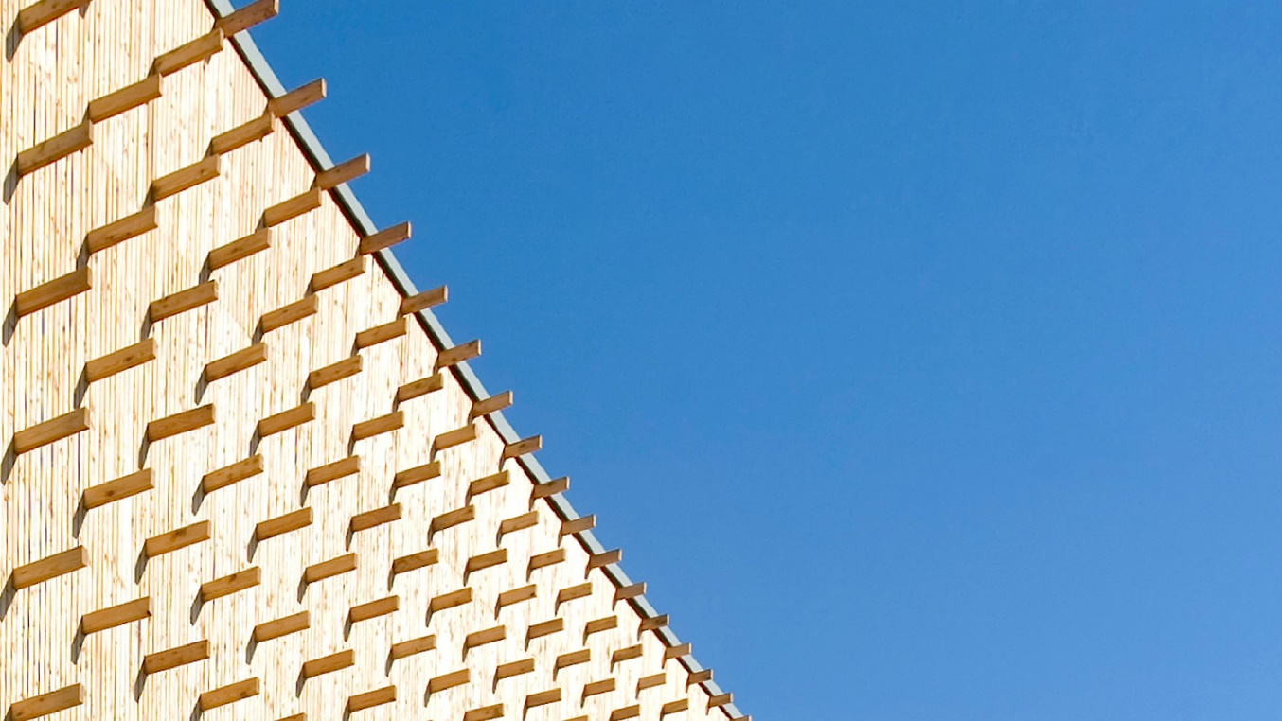 |  |  |  |  |  | Main material type | Total biogenic carbon (CSC) [kg CO2e] | Product category | Total biogenic carbon (CSC) [kg CO2e] | Product name | Total biogenic carbon (CSC) [kg CO2e]
Gemeente Krimpenerwaard |  |  |  |  |  | Structural: timber/lumber | 379026.282 | Floors | 547990.08 | CLT (Cross Laminated Timber) | -663427.68
 |  | by |  |  |  | Structural: CLT or LVL | 863445.6 | Ceilings | 0 | LVL (Laminated Veneer Lumber) | -200017.92
 |  | Gemeente Krimpenerwaard |  |  |  | Structural: bamboo | 0 | Frames and walls | 248931.198 | Lignatur 320 mm | -347972.16
Project details |  |  |  |  |  | Structural: other | 0 | Insulation | 6597.75 | OSB | -26127.396
Adress: | Dorpsplein 9, 2821 AS Stolwijk, Netherlands |  |  |  |  | Fibers: wood | 32725.146 | Roofs | 0 | WISA | -31054.122
Project type: | Utility: office |  |  |  |  | Fibers: straw | 0 | Boards | 0 | Cyclin akoestisch 60mm | -6597.75
Expected realisation year: | 2025 |  |  |  |  | Fibers: grass/bamboo | 0 | Planks and beams | 471678 |  | 0
Project lifespan: | 50 | years |  |  |  | Fibers: hemp or flax | 0 | Other | 0 |  | 0
Gross floor area: | 7155 | m2 |  |  |  | Fibers: other | 0 |  |  |  | 0
Project phase: | Under Construction |  |  |  |  | Composite: wood-based | 0 |  |  |  | 0
 |  |  |  |  |  | Composite: mycelium-based | 0 |  |  |  | 0
Project description |  |  |  |  |  | Composite: concrete-based | 0 |  |  |  | 0
0 |  |  |  |  |  | Other | 0 |  |  |  | 0
 |  |  |  |  |  |  |  |  |  |  | 0
 |  |  |  |  |  |  |  |  |  |  | 0
 |  |  |  |  |  |  |  |  |  |  | 0
 |  |  |  |  |  |  |  |  |  |  | 0
Based on a total Construction Stored Carbon of |  |  | 1275.20 | tCO2e, |  |  |  |  |  |  | 0
The Net Carbon Removal Benefit of the project is calculated at: |  |  |  |  |  |  |  |  |  |  | 0
 | 1,204 |  |  |  |  |  |  |  |  |  | 0
 |  |  |  |  |  |  |  |  |  |  | 0
 |  |  |  | t CO2e
Per square meter Gross Floor Area of the project this equates to: |  |  |  |  |  |  |  |  |  |  | 0
 | 168.2 |  |  |  |  |  |  |  |  |  | 0
 |  |  |  |  |  |  |  |  |  |  | 0
 |  |  |  | kg CO2e / m2 |  |  |  |  |  |  | 0
 |  |  |  |  |  |  |  |  |  |  | 0
With a total lifespan (including reuse) of at least |  |  | 50 | years |  |  |  |  |  |  | 0
 |  |  |  |  |  |  |  |  |  |  | 0
 |  |  |  |  |  |  |  |  |  |  | 0
 |  |  |  |  |  |  |  |  |  |  | 0
Climate Cleanup Net Carbon Removal Benefit Calculation Tool v3.1, available at climatecleanup.org/csc-tool |  |  |  |  |  |  |  |  |  |  | 0
 |  |  |  |  |  |  |  |  |  |  | 0
CSC per main material type
CSC per product category
 |  |  |  |  |  |  |  |  |  |  | 0
 |  |  |  |  |  |  |  |  |  |  | 0
 |  |  |  |  |  |  |  |  |  |  | 0
 |  |  |  |  |  |  |  |  |  |  | 0
 |  |  |  |  |  |  |  |  |  |  | 0
 |  |  |  |  |  |  |  |  |  |  | 0
 |  |  |  |  |  |  |  |  |  |  | 0
 |  |  |  |  |  |  |  |  |  |  | 0
 |  |  |  |  |  |  |  |  |  |  | 0
 |  |  |  |  |  |  |  |  |  |  | 0
 |  |  |  |  |  |  |  |  |  |  | 0
 |  |  |  |  |  |  |  |  |  |  | 0
 |  |  |  |  |  |  |  |  |  |  | 0
 |  |  |  |  |  |  |  |  |  |  | 0
 |  |  |  |  |  |  |  |  |  |  | 0
Calculation input |  |  |  |  |  |  |  |  |  |  | 0
The table below shows the registration numbers of the EPDs of the biobased products used in the project, as well as the manually entered data used to calculate the project's Net Carbon Removal Benefit: |  |  |  |  |  |  |  |  |  |  | 0
 |  |  |  |  |  |  |  |  |  |  | 0
 |  |  |  |  |  |  |  |  |  |  | 0
Product name |  | Product quantity | Carbon content [kg CO2e/unit] | Total biogenic carbon (CSC) [kg CO2e] | Total lifespan [years] |  |  |  |  |  | 0
CLT (Cross Laminated Timber) |  | 230 m3 | -762 | -175260 | 50 |  |  |  |  |  | 0
CLT (Cross Laminated Timber) |  | 383 m3 | -762 | -291846 | 50 |  |  |  |  |  | 0
CLT (Cross Laminated Timber) |  | 6 m3 | -762 | -4572 | 50 |  |  |  |  |  | 0
LVL (Laminated Veneer Lumber) |  | 261,12 m3 | -766 | -200017.92 | 50 |  |  |  |  |  | 0
CLT (Cross Laminated Timber) |  | 112,92 m3 | -762 | -86045.04 | 50 |  |  |  |  |  | 0
CLT (Cross Laminated Timber) |  | 138,72 m3 | -762 | -105704.64 | 50 |  |  |  |  |  | 0
Lignatur 320 mm |  | 1103,36 m3 | -315.375 | -347972.16 | 50 |  |  |  |  |  | 0
OSB |  | 29,724 m3 | -879 | -26127.396 | 100 |  |  |  |  |  | 0
WISA |  | 39,762 m3 | -781 | -31054.122 | 50 |  |  |  |  |  | 0
Cyclin akoestisch 60mm |  | 750 m2 | -8.797 | -6597.75 |  |  |  |  |  |  | 0
 |  |  |  |  |  |  |  |  |  |  | 0
 |  |  |  |  |  |  |  |  |  |  | 0
 |  |  |  |  |  |  |  |  |  |  | 0
 |  |  |  |  |  |  |  |  |  |  | 0
 |  |  |  |  |  |  |  |  |  |  | 0
 |  |  |  |  |  |  |  |  |  |  | 0
 |  |  |  |  |  |  |  |  |  |  | 0
 |  |  |  |  |  |  |  |  |  |  | 0
 |  |  |  |  |  |  |  |  |  |  | 0
 |  |  |  |  |  |  |  |  |  |  | 0
 |  |  |  |  |  |  |  |  |  |  | 0
 |  |  |  |  |  |  |  |  |  |  | 0
 |  |  |  |  |  |  |  |  |  |  | 0
 |  |  |  |  |  |  |  |  |  |  | 0
 |  |  |  |  |  |  |  |  |  |  | 0
 |  |  |  |  |  |  |  |  |  |  | 0
 |  |  |  |  |  |  |  |  |  |  | 0
 |  |  |  |  |  |  |  |  |  |  | 0
 |  |  |  |  |  |  |  |  |  |  | 0
 |  |  |  |  |  |  |  |  |  |  | 0
 |  |  |  |  |  |  |  |  |  |  | 0
 |  |  |  |  |  |  |  |  |  |  | 0
 |  |  |  |  |  |  |  |  |  |  | 0
 |  |  |  |  |  |  |  |  |  |  | 0
 |  |  |  |  |  |  |  |  |  |  | 0
 |  |  |  |  |  |  |  |  |  |  | 0
 |  |  |  |  |  |  |  |  |  |  | 0
 |  |  |  |  |  |  |  |  |  |  | 0
 |  |  |  |  |  |  |  |  |  |  | 0
 |  |  |  |  |  |  |  |  |  |  | 0
 |  |  |  |  |  |  |  |  |  |  | 0
 |  |  |  |  |  |  |  |  |  |  | 0
 |  |  |  |  |  |  |  |  |  |  | 0
 |  |  |  |  |  |  |  |  |  |  | 0
 |  |  |  |  |  |  |  |  |  |  | 0
 |  |  |  |  |  |  |  |  |  |  | 0
 |  |  |  |  |  |  |  |  |  |  | 0
 |  |  |  |  |  |  |  |  |  |  | 0
 |  |  |  |  |  |  |  |  |  |  | 0

NCRB_CalculationModule
$${CR}_{baseline}=\frac{−1}{1000}×BSF×{GFA}_{project}$$
Symbol & function | Description | Value | Unit
CRbaseline | Carbon removals under the baseline scenario.
 | = -1/1000 x 10 x 7155 = | -71.6 | t CO2e
CRtotal | Total Project carbon removals.
$${CR}_{total}= \frac{1}{1000}×\sum_{i=1}^{N}{{CSC}_{i}}$$
 | = 1/1000 x -1275197,03 = | -1,275.2 | t CO2e
GHGincrease | Direct and indirect increase in GHG emissions.
$${GHG}_{increase}=0$$
 | GHG_increase for Biobased Construction is considered to be 0 as of version 3.0 of this Calculation Tool. | 0.0 | t CO2e
NCRB | Net Carbon Removal Benefit
$$NCRB={CR}_{baseline}−{CR}_{total}−{GHG}_{increase}$$
 | = -71,55 - -1275,2 - 0 = | 1,203.6 | t CO2e

 |  |  | CSCtotal [kg CO2e] = | -1,275,197.0 | Minimum total lifespan = |  | 50.0
EPD number | Product name | Product quantity | Carbon content [kg CO2e/unit] | Total biogenic carbon (CSC) [kg CO2e] | Total lifespan [years] | Main material type | Product category
S-P-09949 | CLT (Cross Laminated Timber) | 230 m3 | -762.00 | -175,260 | 50 | Structural: CLT or LVL | Planks and beams
S-P-09949 | CLT (Cross Laminated Timber) | 383 m3 | -762.00 | -291,846 | 50 | Structural: CLT or LVL | Planks and beams
S-P-09949 | CLT (Cross Laminated Timber) | 6 m3 | -762.00 | -4,572 | 50 | Structural: CLT or LVL | Planks and beams
S-P-09942 | LVL (Laminated Veneer Lumber) | 261,12 m3 | -766.00 | -200,018 | 50 | Structural: CLT or LVL | Floors
S-P-09949 | CLT (Cross Laminated Timber) | 112,92 m3 | -762.00 | -86,045 | 50 | Structural: CLT or LVL | Frames and walls
S-P-09949 | CLT (Cross Laminated Timber) | 138,72 m3 | -762.00 | -105,705 | 50 | Structural: CLT or LVL | Frames and walls
 | Lignatur 320 mm | 1103,36 m3 | -315.38 | -347,972 |  | Structural: timber/lumber | Floors
S-P-01850 | OSB | 29,724 m3 | -879.00 | -26,127 | 50 | Fibers: wood | Frames and walls
S-P-04168 | WISA | 39,762 m3 | -781.00 | -31,054 | 100 | Structural: timber/lumber | Frames and walls
ReTHiNK-61675 | Cyclin akoestisch 60mm | 750 m2 | -8.80 | -6,598 | 50 | Fibers: wood | Insulation

