Measurements
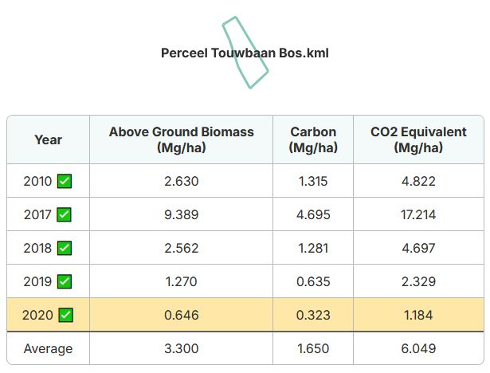
# | Field code | Field | Year | Date | Sample depth (cm) | SOC/AGB/REF | Carbon (g/kg) | Organic Matter (%) | AGB (tCO2/ha) | Sample/report nr. | Weighted average SOC |  |  |  |  | Weighted average AGB
001 | A | Perceel Touwbaan | 2023 | 2023-07-15 | 30 | SOC | 14.5 | 2.9 |  |  | Average per field | Field size | Year |  |  | Average per field | Field size | Year
003 | C | Perceel Loonen | 2019 | 2019-11-22 | 30 | SOC | 12.5 | 2.5 |  |  | 14.5 | 1.3058 | 2023 | 18.9341 | 13.87358649 | 6.584 | 0.7485 | 2020 | 4.928124 | 5.08509241
004 | A | Perceel Touwbaan | 2020 | 2020-01-01 |  | AGB |  |  | 6.584 |  | 12.5 | 0.5955 | 2023 | 7.44375 |  | 6.049 | 0.5573 | 2020 | 3.3711077
005 | B | Perceel Touwbaan Bos | 2020 | 2020-01-01 |  | AGB |  |  | 6.049 |  |  |  |  |  |  | 2.299 | 0.5955 | 2020 | 1.3690545
006 | C | Perceel Loonen | 2020 | 2020-01-01 |  | AGB |  |  | 2.299
007 |  | #N/A | 1899
009 |  | #N/A | 1899
010 |  | #N/A | 1899
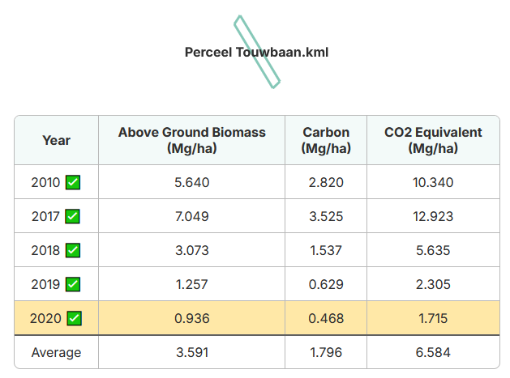
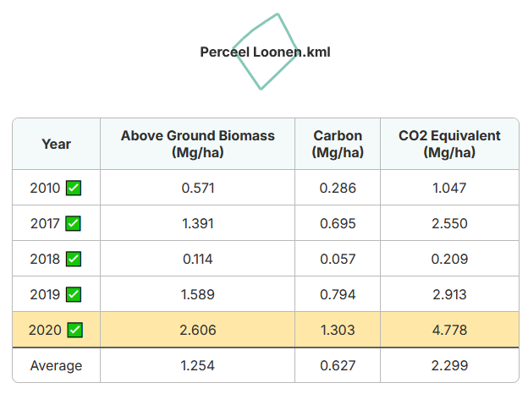
011 |  | #N/A | 1899
012 |  | #N/A | 1899
013 |  | #N/A | 1899
014 |  | #N/A | 1899
015 |  | #N/A | 1899

