Measurements
# | Field code | Field | Year | Date | Sample depth (cm) | SOC/AGB/REF | Carbon (g/kg) | OM % | AGB (tCO2/ha) | Sample/report nr. | Notes
001 | 001-DBBL001 | De Bosboerderij - Wassenaar | 2025 | 4/22/2025 | 30 | SOC | 10.5 | 2.1 |  | 1455578
002 | 001-R | Reference | 2024 | 1/7/2024 | 30 | REF | 65 | 13 |  | 1102233
003 | 001-BDDL | #N/A | 2025 | 2025-01-01 | 30 | AGB |  |  | 0 |  | Disclaimer: Due to the small size of the project plot and the proximity of surrounding forested areas, available ESA satellite data lacked sufficient resolution for accurate localized assessment. This resulted in artificially elevated AGB values. As there was no existing tree cover or woody biomass on-site prior to the project (based on historic satellite date), the AGB baseline has been set to zero.
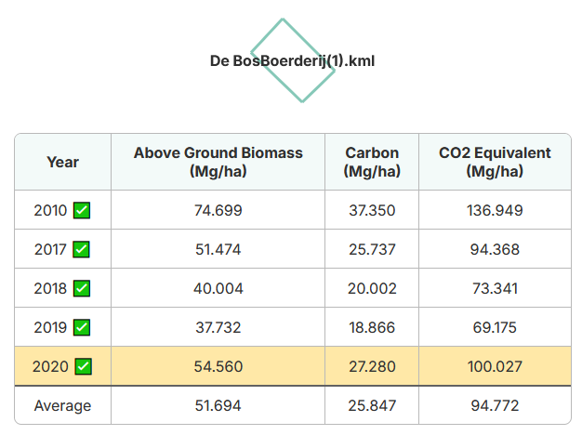
004 |  | #N/A | 1899
005 |  | #N/A | 1899
006 |  | #N/A | 1899
007 |  | #N/A | 1899
009 |  | #N/A | 1899
010 |  | #N/A | 1899
011 |  | #N/A | 1899
012 |  | #N/A | 1899
013 |  | #N/A | 1899
014 |  | #N/A | 1899
015 |  | #N/A | 1899

